aswath
1 | negative forecasted cashflows , cmopany is goners

2 | contry risk premium ( country default spread using moody proxy ratings ) to be added in ERP |  |  | reinvestment_rate
 |  |  |  | columns added
 | rather than location based country risk premium , operation based CRP should be used |  |  | 1 | interest coverage | avg_interest_coverage_ratio | kd changed
 |  |  |  | 2 | DE | DE
5 | regerssion based beta is problematic |  |  | 3 | debt_ratio | debt_ratio
 | beta proxy mkt cap, top |  |  | 4 | ROE | ROE
 |  |  |  | 5 | EV | EV
6 | interest coverage ratio used for Kd |  |  | 6 | EV/EBITDA | EV2EBITDA
 | interest coverage correspodning company risk from aswath data |  |  | 7 | growth in earnings CAGR | sales_CAGR
 | Kd = risk free rate + co default spread + country default spread |  |  | 8 | EV/Invested cap | EV2invested_capital
 |  |  |  | 9 | price/sales = mkt value of equity/ revenue | price2sales
 | market weights to be used in WACC cal |  |  | 10 | EV/sales | EV2sales

7 | cashflows |  |  | updated csv is modeleling7, CR7
 | 1 | latest numbers
 | 2 | normalization ( cyclic industry, commodites )
 | 3 | converting finaincial leases to operating ( if they seem like proper contracts ) , capitalzaing R&D

8 | growth
 | 1 | historical
 | 2 | analysts
 | 3 | reinvestment rate * ROC

 | 10 yr ROC is the thing to look at , top

9 | terminal value
 | 1 | liquidation
 | 2 | going concern, perpetuity, constant economy growth
 | 3 | exit mulitple ( this is relative valuation and not intrinsic valuation )

10 | value enhancement
 | 1 | cashflows ( operating margin )
 | 2 | growth rates
 | 3 | reduce risk
 | 4 | delay stable growth period

 | big caps get to stable growth in 5 yrs

11 | loose ends
 | 1 | cash
 | 2 | debt
 | 3 | non operating assests
 | 4 | cross holdings

12 | acquistions based
 | complexity can be linked to number of pages in annual report

13 | final
 | 1 | distress ( young company opertions may not pan out or company with lot of debt ), solved by evaluating probabaility of default in bond valuation using coupon as interest payments )
 | 2 | illiquid stocks : solved by add 2% illequidity risk in Ke calculaiton
 | 3 | dilution. Heaps of options pending which could be exercised , remedy by doing option valaution and subracting it from value of equity, don’t play games with number of shares

14 | relative valuation
 |  | mkt cap/ subscribers sorts indie ratios, beds/occupancy ratios
 |  | PE, EV/EBITDA consistent as firm / firm and equity / equity non respectively

15 | PE
 |  | draw histogram
 |  | negative PE is nothing but 0
 |  | look at median not mean, bunch of outliers exist

 | perfect undervalues assest checklist
 | 1 | low PE
 | 2 | high ROE
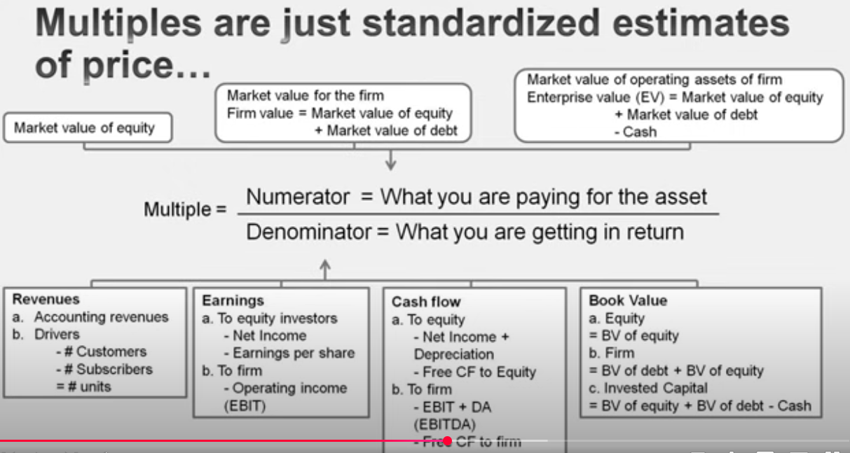
 | 3 | high growth in earnings
 | 4 | low risk

16 | other earning s multiples
 | EV/EBITDA
 | EV is market values, invested capital is book values
 | EV = mkt equity + debt - cash
 | net cash as income from cash is not part of EBITDA
 | mkt values of minority stake needs to be subtracted using the same reason
 | if ratio seems cheap look for
 | 1 | tax rate
 | 2 | ROC
 | 3 | reinvestment rate
 | 4 | growth rate
 | 5 | cost of capital

 | another reason for cheap ratio, is the timing of reinvestment , like a treucking co may seem cheap because all its assests are about to depreciate and they gona raise debt to get new trucks

17 | book value multiples
 | EV/invested capital
 | ROE addition when comapred to PE ratio
 | test :
 |  | PBV is low, but ROE is high , undervalues

 | ratio mostly used for banks , finance firms
 | relative valuation is an entrée into intrinsic valuation

18 | revenue mulitples
 | somewhat immune of unethuical accounting practices
 | 1 | price/sales = mkt value of equity/ revenue
 |  |  | ratio is inconcsistent , but looks fine if company has no detb ( tech sector )
 |  |  | additional parameter = net profit margin

 | 2 | EV/ sales
 |  |  | consistent

 | no garnishing is allowed in intrinsic valuation
 | margins are what are consistent across industry, now if someone has high margins, that’s because of some technical advantage ( brand name )

